Sheet2
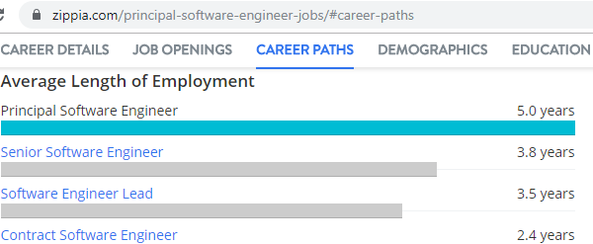
Step 1: Web Extraction
title | month
Principal Software Engineer | 60
Senior Software Engineer | 46
Software Engineer Lead | 42
Contract Software Engineer | 29

Step 2: Expert Interview
Principal Software Engineer | 60
Senior Software Engineer | 88
Software Engineer | 29

